partisan lean data
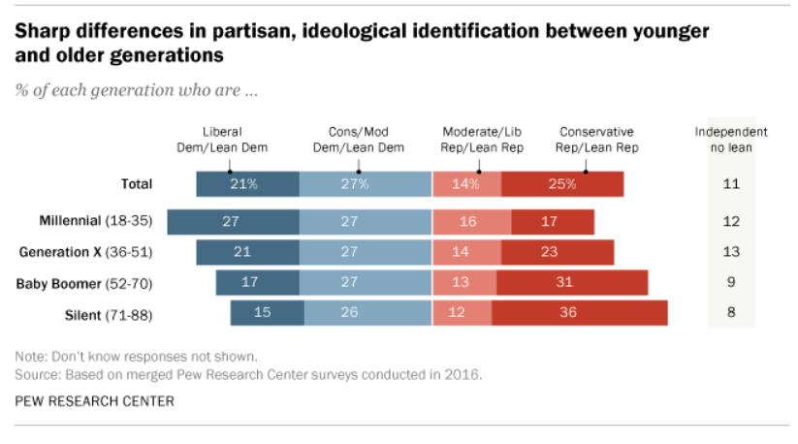

 | Liberal Dem / Lean Dem | Conservative / Moderate Dem / Lean Dem | Moderate/Liberal Republican / Lean Rep | Conservative Rep / Lean Rep | No Lean
Total | 21% | 27% | 14% | 25% | 11%
18-35 | 27% | 27% | 16% | 17% | 12%
36-51 | 21% | 27% | 14% | 23% | 13%
52-70 | 17% | 27% | 13% | 31% | 9%
71-88 | 15% | 26% | 12% | 36% | 8%

